Sheet1
Booth equipments Application

Contect |  | EDCOM INC.
 |  | • CVC : Bongjun Oh
 |  | • ADRESS : 337, Uopyeong-ro, Jeju-si, Jeju-do, Korea
 |  | • MOBILE : 82-10-3001-7308
 |  | •EMAIL : curitel7308@daum.net

 |  | Form 1 |  |  |  |  |  |  |  |  |  |  |  |  | Deadline

 |  | Fascia Name Order Form |  |  |  |  |  |  |  |  |  |  |  |  | 2026
 |  |  |  |  |  |  |  |  |  |  |  |  |  |  | AUGUST 18
.
TO BE RETURNED TO : EDCOM INC. •EMAIL : curitel7308@daum.net •MOBILE :82-10-3001-7308 •ADRESS : 337, Uopyeong-ro, Jeju-si, Jeju-do, Korea |  |  |  |  |  |  |  |  | ORDER DEADLINE: AUGUST 18, 2026 • Please complete this form to confirm the name you wish to appear on your fascia board. Should this form not be returned by dealine, the name shown on exhibitor list from ICFPE 2026 Secretariat will be that used.

▣ Exhibitor Details
■ Company / Organization Name
■ Booth No
■ Address
■ Contact Name |  |  |  |  |  |  |  |  |  | ■ Phone
■ FAX |  |  |  |  |  |  |  |  |  | ■ E-mail

1. Please complete this form to confirm the name you wish to appear on your fascia board.

■ Fascia form option |  |  |  |  |  | Mark |  | Text
① Logo only
② Logo + Text
③ Text only

※ Logo file should be sent by AUGUST 18, 2026 in ai. or 300dpi of jpg, png

Contect |  | EDCOM INC.
 |  | • CVC : Bongjun Oh
 |  | • ADRESS : 337, Uopyeong-ro, Jeju-si, Jeju-do, Korea
 |  | • MOBILE : 82-10-3001-7308
 |  | •EMAIL : curitel7308@daum.net

Shell Scheme Booth

▣ Shell Scheme Package
- Octanorm system with white melamine panels panel size : 960*2390mm x 7 - Fascia board per open side |  |  |  |  |  |  |  |  | - Information Desk 1ea(1000*500*750mm(h)) - 1 Folding Chair - 3 Spotlights(LED 8.5w) - 1Kw of electrical outlet (220V/60Hz/ 2-Phase )

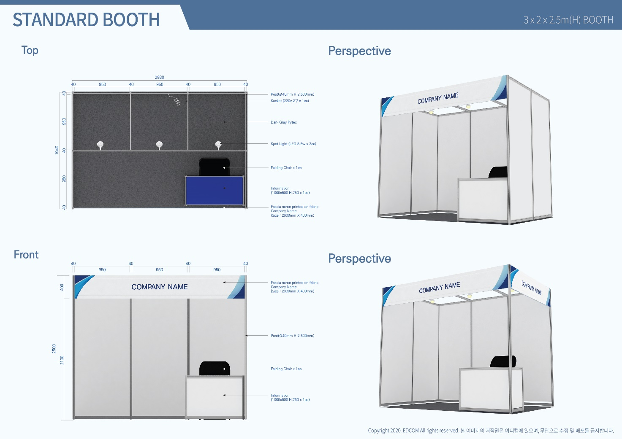

All corner sites will be open to the gangways with fascia board on each open side. Should you require additional walls, please contact Edcom.

Any frame or panel damages must be fairly compensated to the company/organization with the damages. To attach your posters or banners on the wall, we recommend you to use a transparent tape(Scotch tape), S-shaped hook or wire-shaped hook. Please do not use double-sided tape, tacks, glues or screws.

MINIMAL Booth

▣ Shell Scheme Package
- Octanorm system with white melamine panels panel size : 960*1430mm x 1 - Fascia board per open side |  |  |  |  |  |  |  |  | - 1 Spotlights(LED 8.5w) - 1Kw of electrical outlet (220V/60Hz/ 2-Phase )

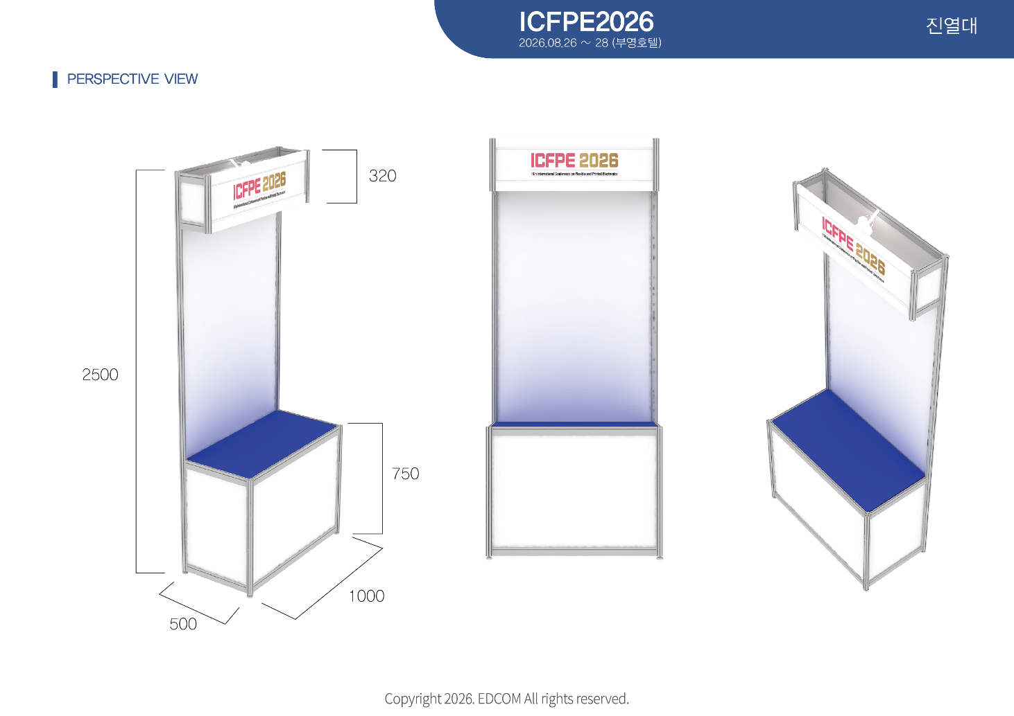

Any frame or panel damages must be fairly compensated to the company/organization with the damages. To attach your posters or banners on the wall, we recommend you to use a transparent tape(Scotch tape), S-shaped hook or wire-shaped hook. Please do not use double-sided tape, tacks, glues or screws.

 |  | Form - 2 Graphics on the wall |  |  |  |  |  |  |  |  |  |  |  |  | Deadline

 |  |  |  |  |  |  |  |  |  |  |  |  |  |  | 2026
 |  |  |  |  |  |  |  |  |  |  |  |  |  |  | AUGUST 11
 |  |  |  | 설치 사례
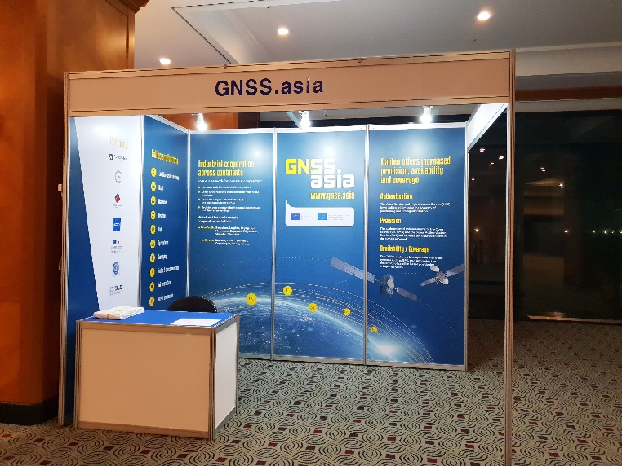
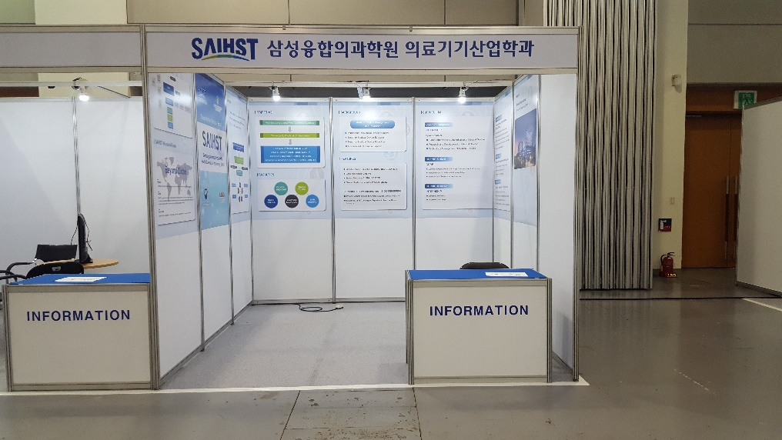
▶PVC Sticker (Full size) : W960xL2930(mm) ▶PVC Sticker (Half size) : W960x1500(mm)

▶PVC Sticker (Full size) : W960xL2930(mm) - $198/panel |  |  |  |  |  |  |  |  | ▶PVC Sticker (Half size) : W960x1500(mm) - 132$/panel

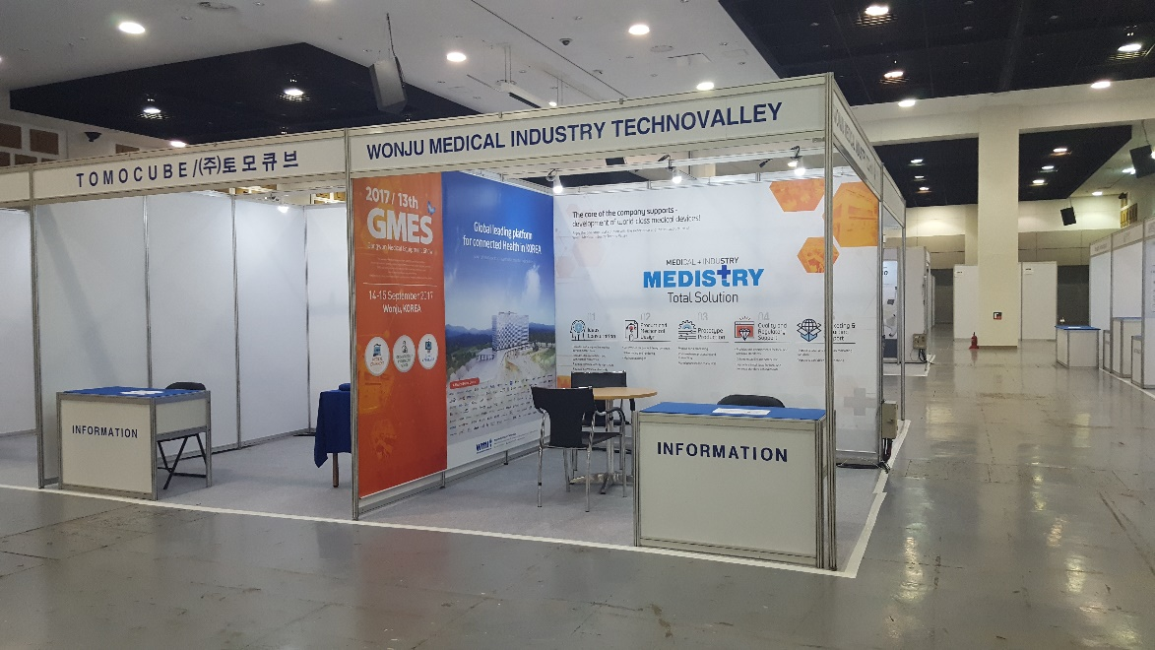
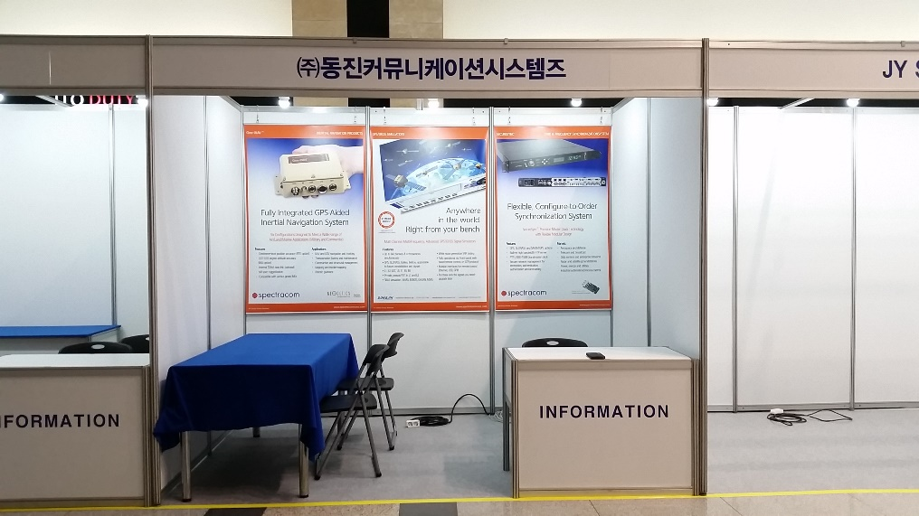

▶PVC Hanging (Full size) : - Backwall : W2930xL2350(mm) - $660/wall - Sidewall : W1940xL2350(mm) - $440/wall |  |  |  |  |  |  |  |  | ▶PVC hanging (Half size) : W950xL1500(mm) - $165/panel

* The artwork should be sent via email in illustrator(.eps or ai.) in the CMYK colorspace predereable or print-ready pdf

Contect |  | EDCOM INC.
 |  | • CVC : Bongjun Oh
 |  | • ADRESS : 337, Uopyeong-ro, Jeju-si, Jeju-do, Korea
 |  | • MOBILE : 82-10-3001-7308
 |  | •EMAIL : curitel7308@daum.net

 |  | Form 3 |  |  |  |  |  |  |  |  |  |  |  |  | Deadline

 |  | Electrical Order Form |  |  |  |  |  |  |  |  |  |  |  |  | 2026
 |  |  |  |  |  |  |  |  |  |  |  |  |  |  | AUGUST 18

TO BE RETURNED TO : EDCOM INC. •EMAIL : curitel7308@daum.net •MOBILE :82-10-3001-7308 •ADRESS : 337, Uopyeong-ro, Jeju-si, Jeju-do, Korea |  |  |  |  |  |  |  |  | ORDER DEADLINE: AUGUST 18, 2026

* Edcom must be received Electrical Power Application from Raw Space Booth Exhibitor by AuGUST 18, 2026

- Raw Space Booth set up time : TBD
* Standard booths include 3 Spotlights(LED 8.5w) / 1Kw of electrical outlet (220V/60Hz/ 2-Phase ). * Exhibitor must carry out the Hook-up to your Equipments/Machines. * In circumstances, Compressed air and Drainage are not supposed to be used.

▣ Exhibitor Details
■ Company Name |  |  |  |  |  |  |  |  |  | ■ Booth No.
■ Address |  |  | (Zip/Postal)
■ Contact Name |  |  |  |  |  |  |  |  |  | ■ Title
■ Phone |  |  |  |  |  |  |  |  |  | ■ Fax
■ Mobile |  |  |  |  |  |  |  |  |  | ■ E-mail
■ Sign |  |  |  |  |  |  |  |  |  | ■ Date

▣ Electrical Items ($)USD
Item |  |  |  |  | Unit |  | Price($) |  | Qty |  |  | Amount |  | 24hours |  | reamark
1.Spotlight(LED 8.5W) |  |  |  |  | ea |  |  |  |  |  |  | -
2.Arm Spotlight(LED 8.5W) |  |  |  |  | ea |  |  |  |  |  |  | -
3.Fluorescent Lamp (40W) |  |  |  |  | ea |  |  |  |  |  |  | -
4.Transformer(110V)-3KW |  |  |  |  | ea |  |  |  |  |  |  | -
5.Halogen(200W) |  |  |  |  | ea |  |  |  |  |  |  | -
6. HQI (LED 30W) |  |  |  |  | ea |  |  |  |  |  |  | -
7. Additional power |  |  |  |  | Kw |  |  |  |  |  |  | -
8.220V/60Hz/1-Phase |  |  |  |  | Kw |  |  |  |  |  |  | -
9.380V/60Hz/3-Phase |  |  |  |  | Kw |  |  |  |  |  |  | -
10. Multiplug |  |  |  |  | ea |  |  |  |  |  |  | -
Total |  |  |  |  |  |  |  |  |  |  |  | $0

Electrical Item list
($)USD
Item |  |  |  |  |  | Unit |  | Price($)
 |  |  |  |  |  |  |  | By deadline |  |  |  | After deadline

1.Spotlight(LED 8.5W) |  |  |  |  |  | 1ea |  | $11 |  |  |  | $13
2.Arm Spotlight(LED 8.5W) |  |  |  |  |  | 1ea |  | $17 |  |  |  | $20
3.Fluorescent Lamp (40W) |  |  |  |  |  | 1ea |  | $9 |  |  |  | $11
4.Transformer(110V)-1KW |  |  |  |  |  | 1ea |  | $33 |  |  |  | $40
5.Halogen(200W) |  |  |  |  |  | 1ea |  | $22 |  |  |  | $26
6. HQI(LED 30W) |  |  |  |  |  | 1ea |  | $33 |  |  |  | $40
7. Additional power |  |  |  |  |  | 1Kw |  | $44 |  |  |  | $53
8.220V/60Hz/1-Phase |  |  |  |  |  | 1Kw |  | $44 |  |  |  | $53
9.380V/60Hz/3-Phase |  |  |  |  |  | 1Kw |  | $55 |  |  |  | $66
10. Multiplug |  |  |  |  |  | 1ea |  | $6 |  |  |  | $7
* If you need 24 hours of electrical power, add 50% of the original amount. * Electrcal Power Supply : 380V /3-Phase have variation of 60Hz±10% If you need special Electrical works, send description of your requests to Edcom. * Cancellation : 30% of the Total amount refund before AUGUST 18, 2026 * No refund For cancellation received after AUGUST 25,2026 * Order after deadline AUGUST 19~ will be subject to further 20% surcharge, * This form will be used as invoice * Main Electrical Power Supply Time – AUGUST 25, 2026 * Main Electrical Power All off Time – AUGUST 28, 2026 * If the power used exceeds 1 KW, then you must fill out an application. * Any damages brought on due to an electrical capacity overload, must be fairly compensated to the company/organization with the damage, as well as the exhibition organization.

▣ Payment Method

■ Bank name |  |  | Woori Bank |  |  |  |  |  |  | ■ Branch name |  |  | Jeju Branch
■ Head officeaddress |  |  |  | 1-203, Hoehyeon-dong, Jung-gu, Seoul, Korea
■ Account Holder |  |  | Edcom INC
■ Account# |  |  | 1006-101-238702 |  |  |  |  |  |  | ■ SWIFT Code |  |  | HVBKKRSEXXX

Please indicate below the position of the electrical items you have ordered (1 square metre)

PLAN BOOTH / STAND

 |  |  |  |  |  |  |  | Back

Left |  |  |  |  |  |  |  |  |  |  |  |  |  |  | Right

 |  |  |  |  |  |  |  | Front (Aisle)

Marks : ⓢ : Spotlight ⓐ : Arm spotlight ⓕ : Fluorescent ⓗ : Halogen 200W ⓟ : Powerpoint(Outlet) ⓠ : HQI LED 40W ⓑ : Cabinet Panel

■ Company Name |  |  |  |  |  |  |  |  |  | ■ Booth No.
■ Contact Name |  |  |  |  |  |  |  |  |  | ■ Phone

 |  | Form 4 |  |  |  |  |  |  |  |  |  |  |  |  | Deadline

 |  | Furniture & Equipment Order Form |  |  |  |  |  |  |  |  |  |  |  |  | 2026
 |  |  |  |  |  |  |  |  |  |  |  |  |  |  | AUGUST 18

TO BE RETURNED TO : EDCOM INC. •EMAIL : curitel7308@daum.net •MOBILE :82-10-3001-7308 •ADRESS : 337, Uopyeong-ro, Jeju-si, Jeju-do, Korea |  |  |  |  |  |  |  |  | ORDER DEADLINE: AUGUST 18, 2026

▣ Exhibitor Details
■ Company Name |  |  |  |  |  |  |  |  |  | ■ Booth No.
■ Address |  |  | (Zip/Postal)
■ Contact Name |  |  |  |  |  |  |  |  |  | ■ Title
■ Phone |  |  |  |  |  |  |  |  |  | ■ Fax
■ Mobile |  |  |  |  |  |  |  |  |  | ■ E-mail
■ Sign |  |  |  |  |  |  |  |  |  | ■ Date

▣ Please Order Here (Find booth amenities in the Catalog in next 2 pages) ($)USD
 | Item |  |  |  |  |  |  | Qty |  |  | Price($) |  | Amount |  | Remark
1 |  |  |  |  |  |  |  |  |  |  |  |  | -
2 |  |  |  |  |  |  |  |  |  |  |  |  | -
3 |  |  |  |  |  |  |  |  |  |  |  |  | -
4 |  |  |  |  |  |  |  |  |  |  |  |  | -
5 |  |  |  |  |  |  |  |  |  |  |  |  | -
6 |  |  |  |  |  |  |  |  |  |  |  |  | -
7 |  |  |  |  |  |  |  |  |  |  |  |  | -
8 |  |  |  |  |  |  |  |  |  |  |  |  | -
Total |  |  |  |  |  |  |  |  |  |  |  |  | ₩-

* Total amount must be received at Edcom by AUGUST 18, 2026 * Cancellation : 30% of the Total amount refund before AUGUST 24,2026 * No refund For cancellation received after AUGUST 25, 2026 * Order after deadline AUGUST 18, 2026~ will be subject to further 20% surcharge, plus the quantity of all items may be limited. * This form will be used as invoice * move in : AUGUST 25, 2026

▣ Payment Method
■ Bank name |  |  | Woori Bank |  |  |  |  |  |  | ■ Branch name |  |  | Jeju Branch
■ Head officeaddress |  |  |  | 1-203, Hoehyeon-dong, Jung-gu, Seoul, Korea
■ Account Holder |  |  | Edcom INC
■ Account# |  |  | 1006-101-238702 |  |  |  |  |  |  | ■ SWIFT Code |  |  | HVBKKRSEXXX
* Exhibitors are responsible for covering Money Transfer Fee and making sure the final amount transferred is equal to the "Total Payment" noted above.

FURNITURE ITEM

Code No. |  |  |  |  |  |  |  | Price ($)USD
 |  |  |  |  |  |  |  | By deadline |  |  |  | After deadline

CH-1 Folding Chair |  |  |  |  |  |  |  | $11 |  |  |  | $13
CH-2 Conference Chair |  |  |  |  |  |  |  | $22 |  |  |  | $26
CH-3 Conference Chair(w/arm) |  |  |  |  |  |  |  | $27 |  |  |  | $32
CH-4 Round Chair |  |  |  |  |  |  |  | $22 |  |  |  | $26
CH-5 Aluminum Chair |  |  |  |  |  |  |  | $22 |  |  |  | $26
CH-6 High Stool |  |  |  |  |  |  |  | $44 |  |  |  | $53
Ea-1 Easel |  |  |  |  |  |  |  | $18 |  |  |  | $22
W-1 Wire Ring |  |  |  |  |  |  |  | $5 |  |  |  | $6
X-1 X-Banner Stand |  |  |  |  |  |  |  | $22 |  |  |  | $26
TB-1a Rectangle Table(1500) |  |  |  |  |  |  |  | $38 |  |  |  | $46
TB-1b Rectangle Table(1800)
TB-2 Round Table |  |  |  |  |  |  |  | $66 |  |  |  | $79
TB-3 Glass-Top Table |  |  |  |  |  |  |  | $88 |  |  |  | $106
TB-4 Aluminum Table |  |  |  |  |  |  |  | $66 |  |  |  | $79
TB-5 Marble-Top Table |  |  |  |  |  |  |  | $77 |  |  |  | $92
TB-6 High Table |  |  |  |  |  |  |  | $88 |  |  |  | $106
DS-1a Information Desk(750H) |  |  |  |  |  |  |  | $44 |  |  |  | $53
DS-1b Information Desk(1000H) |  |  |  |  |  |  |  | $44 |  |  |  | $53
DS-2 Single-Deck DP Stand |  |  |  |  |  |  |  | $77 |  |  |  | $92
DS-3 Double-Deck DP Stand |  |  |  |  |  |  |  | $110 |  |  |  | $132
DS-4 Olympic DP Stand |  |  |  |  |  |  |  | $143 |  |  |  | $172
CS-1 Catalogue Stand |  |  |  |  |  |  |  | $66 |  |  |  | $79
CS-2 Catalogue Stand |  |  |  |  |  |  |  | $44 |  |  |  | $53
E-1 32" TV |  |  |  |  |  |  |  | $270 |  |  |  | $324
E-1 40" TV |  |  |  |  |  |  |  | $380 |  |  |  | $456
E-1 55" TV |  |  |  |  |  |  |  | $550 |  |  |  | $660
E-1 65" TV |  |  |  |  |  |  |  | $700 |  |  |  | $840
E-2 TV Stand |  |  |  |  |  |  |  | $55 |  |  |  | $66
E-3 24" Screen |  |  |  |  |  |  |  | $132 |  |  |  | $158
E-3 27" Screen |  |  |  |  |  |  |  | $165 |  |  |  | $198
E-4 Laptop |  |  |  |  |  |  |  | $132 |  |  |  | $158
E-6 Water Dispenser |  |  |  |  |  |  |  | $132 |  |  |  | $158
E-7(82L) Refrigerator |  |  |  |  |  |  |  | $165 |  |  |  | $198
E-7(150L) Refrigerator |  |  |  |  |  |  |  | $220 |  |  |  | $264
E-8 Preojector |  |  |  |  |  |  |  | TBD
E-9 Preojector Screen |  |  |  |  |  |  |  | TBD
ca-1 Pytex /SQM |  |  |  |  |  |  |  | $7 |  |  |  | $8

Item List-1
CH-1 Folding |  |  |  | CH-2 Conference |  |  |  |  | CH-3 Conference |  |  |  | CH-4 Leather
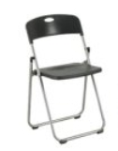 |  |  |  | 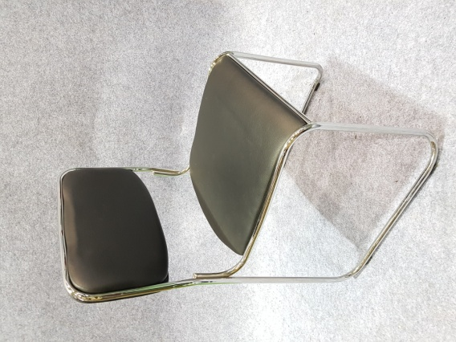 |  |  |  |  | 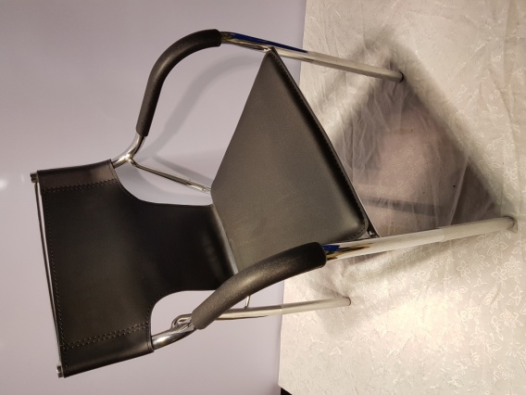

$11 |  |  |  | $22 |  |  |  |  | $27 |  |  |  | $22

CH-5 Aluminum |  |  |  | CH-6 High Stool |  |  |  |  | Ea-1 Easel |  |  |  | W-1 Wire Ring
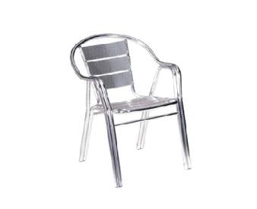 |  |  |  | 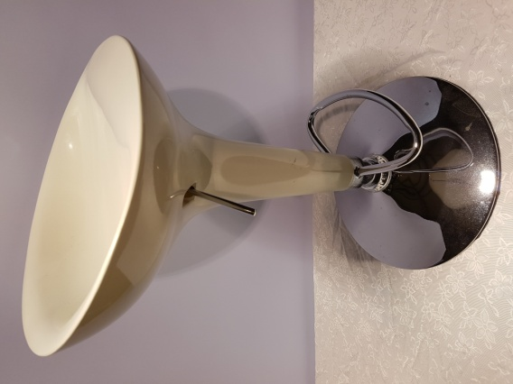 |  |  |  |  | 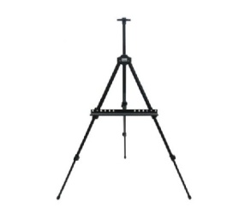 |  |  |  | 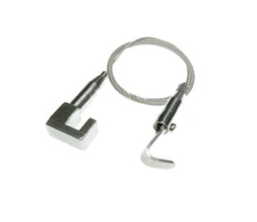

₩22 |  |  |  | ₩44 |  |  |  |  | ₩18 |  |  |  | ₩5

X-1 X-Banner |  |  |  | TB-1 Rectangle T |  |  |  |  | TB-2 Round T |  |  |  | TB-3 Glass-Top T
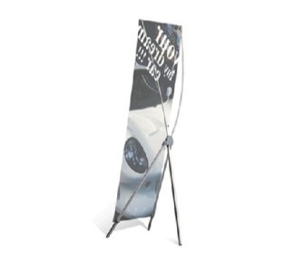 |  |  |  | 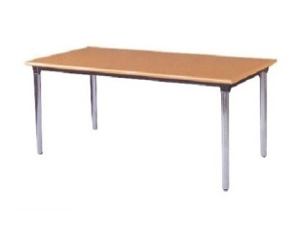 |  |  |  |  | 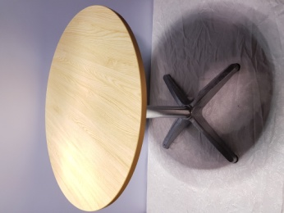 |  |  |  | 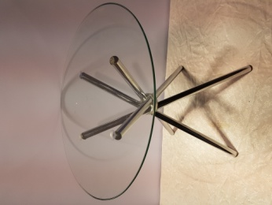

₩22 |  |  |  | ₩38 |  |  |  |  | ₩66 |  |  |  | ₩88
(Printing + Stand $88) (Artwork + Printing + Stand $142) |  |  |  | TB-1a 1500*600*H750 TB-1b 1800*600*H750 (covered with Blue cloth) |  |  |  |  | ∅700 |  |  |  | ∅600

TB-4 Aluminum T |  |  |  | TB-5 Marble-Top T |  |  |  |  | TB-6 High Table |  |  |  | DS-1 Information D
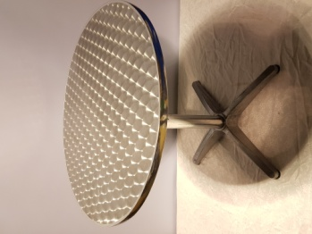 |  |  |  | 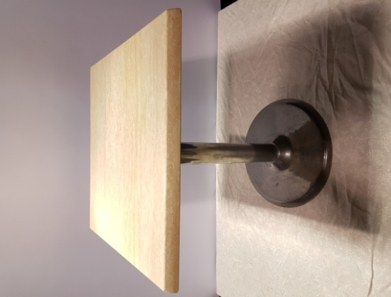 |  |  |  |  |  |  |  |  | 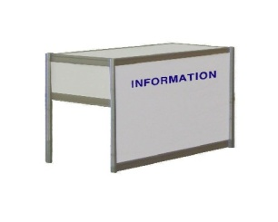

₩66 |  |  |  | ₩77 |  |  |  |  | ₩88 |  |  |  | ₩44
∅700 |  |  |  | ∅600 |  |  |  |  | ∅600 * H1100 |  |  |  | TB-5a 1000*500*H750 TB-5b 1000*500*H1000

Item List-2
DS-2 Single-Deck DP Stand |  |  |  | DS-3 Double-Deck DP |  |  |  |  | DS-4 Olympic DP |  |  |  | CS-1 Catalogue Stand
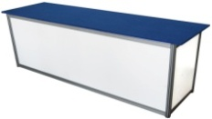 |  |  |  | 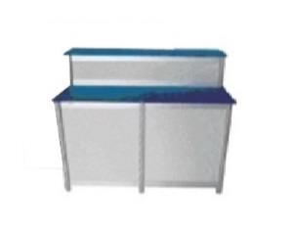 |  |  |  |  | 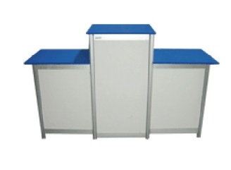 |  |  |  | 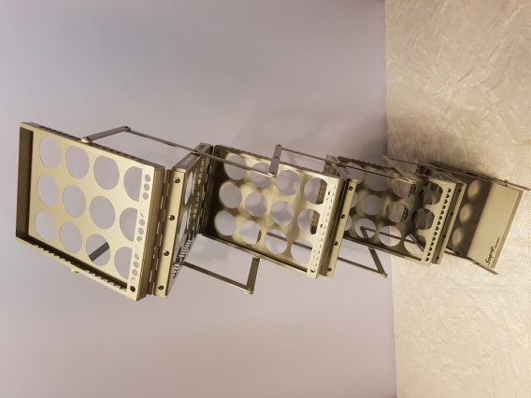

₩77 |  |  |  | ₩112 |  |  |  |  | ₩143 |  |  |  | ₩66
2000*600*H750 |  |  |  | Double-Deck DP Stand 2000*450*H750 Double-Deck DP Stand 2000*450*H1000 |  |  |  |  | (left, right) Olympic DP Stand 500*500*H750 (Center) Olympic DP Stand 500*500*H1000 |  |  |  | 255*310*470(mm)

CS-2 Catalogue Stand |  |  |  | E-1 LCD/LED TV |  |  |  |  | E-2 TV Stand |  |  |  | E-3 Screen
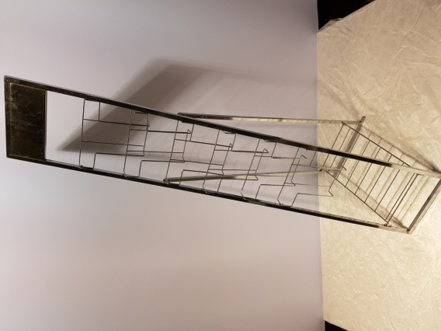 |  |  |  |  |  |  |  |  |  |  |  |  | 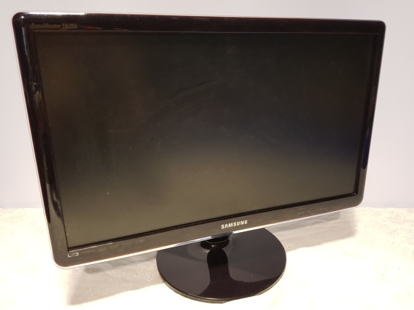

₩44 |  |  |  | 32"- $ 270 |  |  |  |  | ₩55 |  |  |  | 24" - $132
 |  |  |  | 40"-$ 380 |  |  |  |  |  |  |  |  | 24" - $165
 |  |  |  | 55"-$ 550
 |  |  |  | 65"- $700
E-4 Laptop |  |  |  | E-6 Water Dispenser |  |  |  |  | E-7 Refrigerator |  |  |  | E-8 Preojector
 |  |  |  | 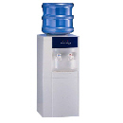 |  |  |  |  | 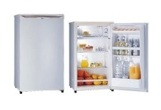 |  |  |  | 

₩132 |  |  |  | ₩165 |  |  |  |  | 150L - $ 165 |  |  |  | TBD
 |  |  |  | with 20L water |  |  |  |  | (463*830*500)
 |  |  |  |  |  |  |  |  | 180L - $ 220
 |  |  |  |  |  |  |  |  | (550*620*1300)
E-9 Preojector Screen |  |  |  | Ca-1 Pytex |  |  |  |  | (Attention) Your application will be automatically canceled, should the cost of the items you orderd has not been paid by AUGUST 18,2026
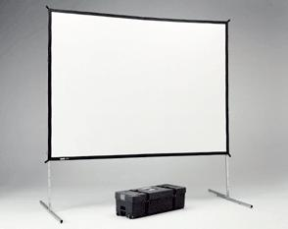 |  |  |  | 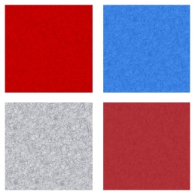

TBD |  |  |  | ₩7

